Sheet1
 | Document No. |  | Issue No. | Issue Date |  | Review and Replace Date |  | Authorised By
 | GFF342MC |  | 1 | 12.10.2021 |  | New Issue
 | Document Title |  | ANDHRA STYLE CHICKEN 200G
 |  |  |  |  |  |  |  | Magda Shah
Document amendments reason for change | New document |  | Page 1 of 1 |  | Previous Issue Date |  | New Issue | Uncontrolled copy unless signed original

FCAND-R8TRE |  | RED RIKSHAW |  | ANDHRA STYLE CHICKEN 200G | FROZEN

  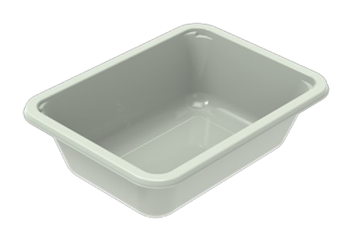 |  |  |  |  | 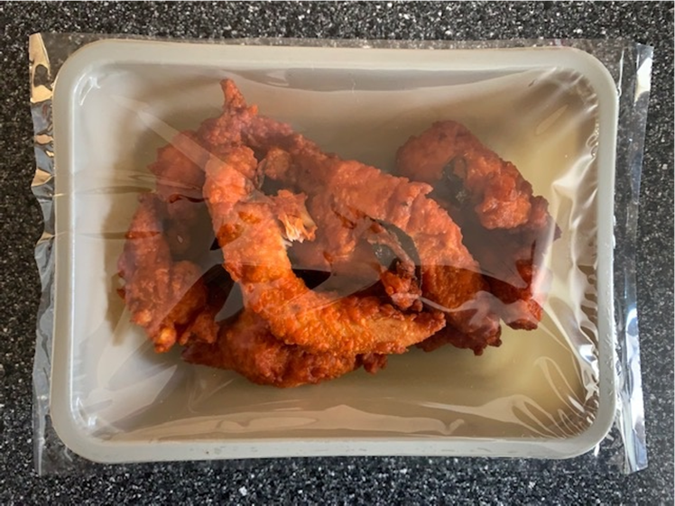

Tray: EVOLVE CPET 2171-1F FROST (PKRHP001-14) |  |  |  |  | Andhra Style Chicken (GFF316R): 200g
Film: K-Peel 75G + AF 25 250mm (PKKMP001-01) |  |  |  |  | Total Weight: 200g
ALLERGY ALERT: NONE

